Sheet1
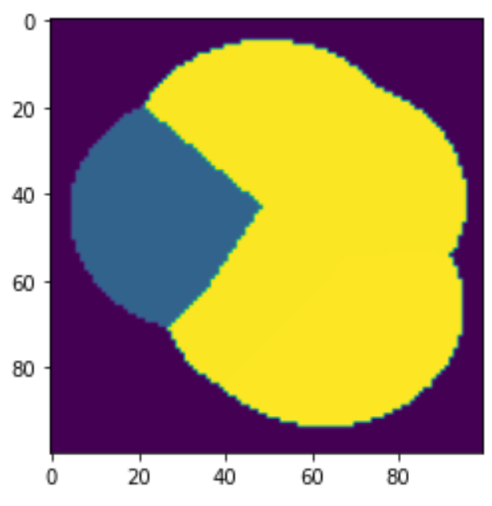
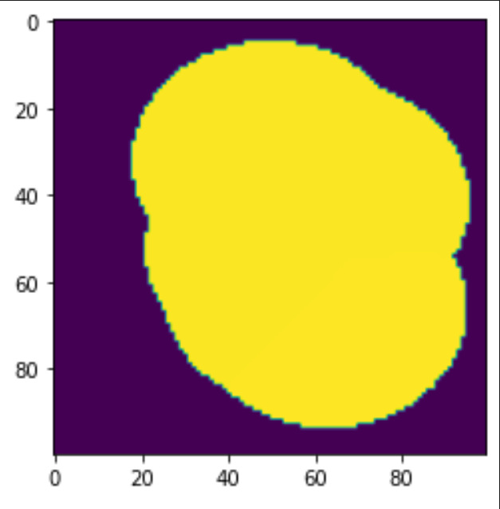
10000 | cells
2.797 sq miles
0.0002797 grid cell
 | Baseline | New
no service | 4532 | 3975 | -12%
service | 5468 | 6025 | 10%
31113 | 628 | 235 | -63%
31104 | 549 | 530 | -3%
31296 | 1477 | 1477 | 0%
31114 | 189 | 189 | 0%
31116 | 986 | 986 | 0%
31110 | 1639 | 1221 | -26%
1000 | 0 | 1387 | N/A

